Sheet2
2022 SeaPerch Season Pool Events Course Master Parts List
 | Enter the quantities of the components that you will build in the green "Qty. to build" cell
 | The total parts needed are shown in column V --- >
 |  | Obstacle Course |  | Task Frame (Per set of 2) |  | Battery Compartment Panel |  | Battery Compartment |  | Battery Pallet & Tool Caddy |  | Batteries (Per Battery) |  | Tools (Per set of 3) |  | Powers Cables (Per set of 2) |  | Additional Materials for Mini Course
 | Item | Qty. to build -> | 1 | Qty. to build -> | 1 | Qty. to build -> | 1 | Qty. to build -> | 1 | Qty. to build -> | 1 | Qty. to build -> | 1 | Qty. to build -> | 1 | Qty. to build -> | 1 | Qty. to build -> |  | Vendor Links
 |  | Total Required (Calculated) |  | Total Required (Calculated) |  | Total Required (Calculated) |  | Total Required (Calculated) |  | Total Required (Calculated) |  | Total Required (Calculated) |  | Total Required (Calculated) |  | Total Required (Calculated) |  | Total Required (Calculated) | Totals for all selected components | Home Depot | Lowes | PVC Fittings Online
Pipe Fittings | 1/2" Sch 40 PVC Elbow | 2 |  |  |  | 6 |  | 4 |  | 5 |  | 6 |  | 1 |  |  |  |  | 24 | 1/2" Elbow | 1/2" Elbow | 1/2" Elbow
 | 1/2" Sch 40 PVC Cross | 4 |  |  |  |  |  |  |  |  |  |  |  |  |  |  |  |  | 4 | 1/2" Cross | 1/2" Cross | 1/2" Cross
 | 1/2" Sch 40 PVC Tee | 8 |  |  |  | 3 |  | 7 |  | 4 |  | 5 |  | 2 |  |  |  |  | 29 | 1/2" Tee | 1/2" Tee | 1/2" Tee
 | 1/2" Sch 40 PVC 45° Elbow |  |  |  |  |  |  | 4 |  |  |  |  |  |  |  |  |  |  | 4 | 1/2" 45° Elbow | 1/2" 45° Elbow | 1/2" 45° Elbow
 | 1/2" PVC Furniture Grade Sling Tee |  |  |  |  | 3 |  |  |  |  |  |  |  |  |  |  |  |  | 3 | Sling Tee (10 pack) | Sling Tee (10 pack) | Sling Tee
 | 1/2" 4-Way Tee (Furniture Grade) |  |  |  |  |  |  | 1 |  |  |  |  |  |  |  |  |  |  | 1 | 1/2" 4-Way Tee (10 pack) | 1/2" 4-Way Tee (10 pack) | 1/2" 4-Way Tee
 | 1/2" Sch 40 PVC 3-Way Side Outlet Elbow (standard plumbing grade) |  |  |  |  |  |  | 2 |  | 2 |  |  |  |  |  |  |  |  | 4 | 1/2" 3-Way Elbow | 1/2" 3-Way Elbow | 1/2" 3-Way Elbow
 | 1/2" in. CPVC to PVC Bushing (alternative for PEX connection) | 10 |  |  |  |  |  |  |  |  |  |  |  |  |  |  |  |  | 10 | 1/2" CPVC to PVC Bushing | N/A | 1/2" CPVC Bushing
 | 3/4” x 1/2” PVC Reducing Coupler |  |  |  |  |  |  |  |  |  |  | 1 |  |  |  |  |  |  | 1 | 3/4" x 1/2" Coupler | N/A | 3/4" x 1/2" Coupler
 | 1” Sch 40 PVC Tee |  |  | 16 |  |  |  |  |  |  |  |  |  |  |  |  |  |  | 16 | 1" Tee | 1" Tee | 1" Tee
 | 1” X 1/2” Sch 40 Reducing Bushing |  |  |  |  |  |  | 5 |  | 3 |  |  |  |  |  |  |  |  | 8 | 1" x 1/2" Bushing | 1" x 1/2" Bushing | 1" x 1/2" Bushing
 | 1” PVC Snap-On Saddle Tee |  |  |  |  |  |  | 2 |  | 1 |  |  |  |  |  |  |  |  | 3 | N/A | N/A | 1" Snap-On Saddle Tee
Materials | 1/2" PEX Tubing (Red) X 57" Lg | 285" (23.75') |  |  |  |  |  |  |  |  |  |  |  |  |  |  |  |  |  | 1/2" PEX Pipe | 1/2" PEX Pipe | N/A | See note 5
 | #4 Rebar (1/2" Dia.) X 24" Lg | 4 |  | 4 |  |  |  |  |  |  |  |  |  |  |  |  |  |  | 8 | 1/2" dia x 2' Rebar | 1/2" dia x 2' Rebar | N/A
 | #8 X 5/8" Stainless Steel Flanged Head Self-Drilling Screw (Qtuantities are estimated). See note 8 | 50 |  | 32 |  | 4 |  | 54 |  | 30 |  |  |  |  |  |  |  |  | 170 | Self Drilling Screws (1/2" Lg) | Self Drilling Screws (Zinc) | Check local hardware stores | See note 8
 | Polypropylene Corrugated Sheet, .157 Thick |  |  | 2 (36" x 36") (see note 2) |  | 1 (18" x 19") (See note 3) |  |  |  | 1 (18" x 18") |  |  |  |  |  |  |  |  | Manually calculate | .157" thk Coroplast | N/A | N/A | See note 6
 | 8" Cable Tie |  |  | 12 (see note 2) |  | 6 |  | 6 |  | 8 |  |  |  |  |  | 8 |  |  | 40 | 8" Cable Ties (100 pack) | 8" Cable Ties (100 pack) | N/A
 | PVC Solvent cement & primer |  |  |  |  | As required |  |  |  |  |  |  |  |  |  |  |  |  |  | PVC Solvent + Primer | PVC Solvent + Primer | N/A | See note 7
 | 1/2” Poly Foam Rod |  |  |  |  |  |  |  |  |  |  | 25" |  | 14.5" |  |  |  |  | 39.5"(3.3') | 1/2" Foam Rod (20') | 1/2" Foam Rod (20') | N/A
 | 5/8” Poly Foam Rod |  |  |  |  |  |  |  |  |  |  | 12" |  |  |  |  |  |  | 12"(1') | 5/8" Foam Rod (20') | 5/8" Foam Rod (20') | N/A
 | 1/4” Polypropylene Rope |  |  |  |  | 12" |  |  |  |  |  |  |  | 36" |  | 72" |  |  | 110" (9.2') | 1/4" Rope (per foot) | 1/4" Rope (50') | N/A
Pipe | 1/2" Sch 40 PVC Pipe | 370" (30.8') (see note 1) |  |  |  | 65.75" (5.5') |  | 236.5 " (19.7') |  | 102.25" (8.5') |  | 102.25" (8.5') |  | 24" (2') |  | 6" (0.5') |  |  | 833" (69.4') | 1/2" Sch 40 Pipe | 1/2" Sch 40 Pipe | N/A | See note 9
 | 1" Sch 40 PVC Pipe |  |  | 264" (22') |  |  |  |  |  |  |  |  |  |  |  |  |  |  | 264"(22') | 1" Sch 40 Pipe | 1" Sch 40 Pipe | N/A | See note 9

Notes
Vendor and purchasing notes | Local plumbing supplies and hardware stores are good choices for pipes and fittings and are generally less expensive than "big box" stores. Some vendors offer packs of fittings that will result in lower per unit cost. RoboNation is not associated with vendors and cannot guarantee availability of products. Socket depths, lengths, and other dimensions may differ for PVC pipe fittings between manufacturers. Some non-standard pipe fittings such as Snap-On Saddle Tees, Sling Tees, and 4-Way Tees may not be available locally. These fittings are available from online vendors. The Snap-On Saddle Tees and Sling Tees can be constructed by modifying standard Tees. Multiple standard Tees can be substituted for 4-Way Tees as shown in Figure 1. |  |  |  |  | 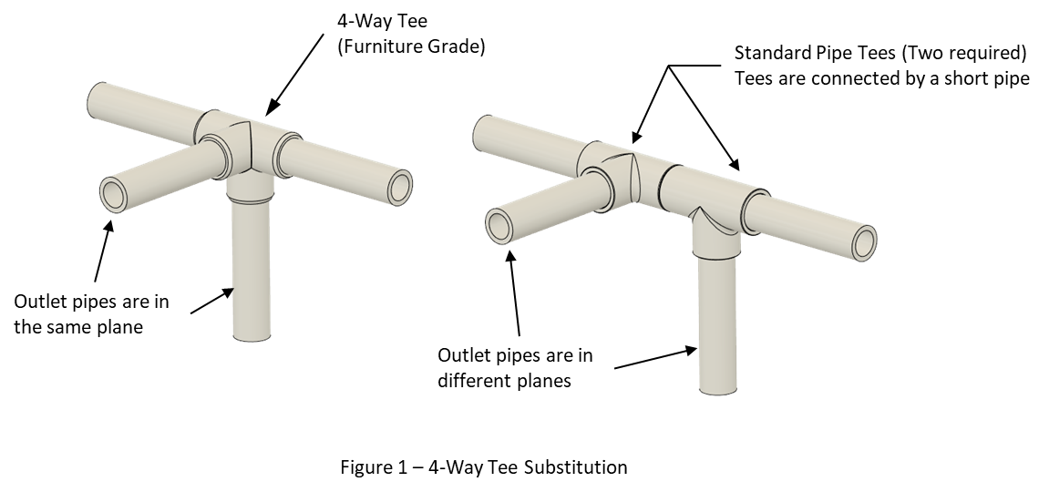
1 | Each Obstacle Course - Requires 370" (Three 10' lengths + 10") of 1/2" pipe if using 1" long pipe as PEX connectors Requires 360" (Three 10' lengths) if using 1/2" CPVC to PVC Bushing for PEX connectors See Figure 2
2 | Task Frame - corrugated sheet and cable ties are optional if course is configured for pool floor
3 | Battery Compartment Panel - the original panel (gate) was built with 18" x 19" corrugated sheet, however an 18" x 18" sheet will work fine
4 | Poly Foam Rod lengths are estimates and actual lengths should be determined when ballasting tools and batteries in the pool that they will be used in.
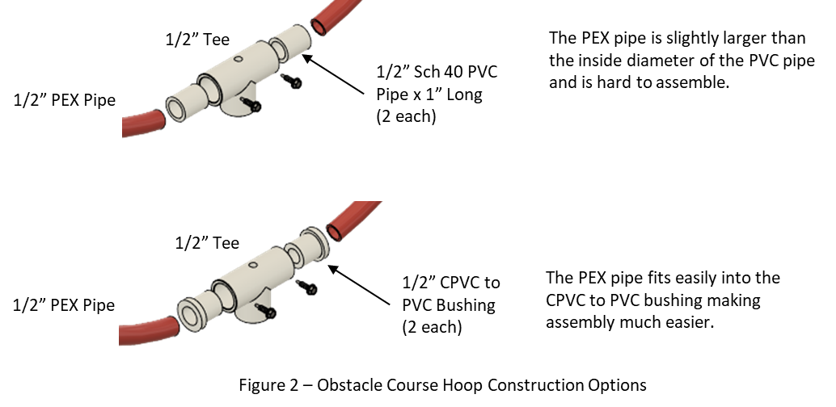
5 | PEX pipe is available in 10' straight lengths and 100' coils. A single obstacle course requires three 10' lengths.
6 | The Polypropylene Corrugated Sheet listed in the vendor section is a 48" x 96" sheet. Smaller sheets may be available in your area. Other materials may be substituted if this product is not available.
7 | Only needed if building a sealed Battery Comparment Panel. Amount needed depends on quantity of panels being built. Follow manufacturer's safety instructions.
8 | Can substitute for 1/2" long. Can substitute for Zinc Plated, but corrosion resistance is decreased.
9 | Check local plumbing supply stores for reduced prices.

