Sheet2
2023 SeaPerch Pool Events Course Master Parts List
 | Enter the number of lanes you are building course components for in the green "Qty. to build" cell |  |  | Subtract part quantities manually if you are reusing components from other years. 🔻
 | If you already have the component, enter 0 or leave the cell blank. |  |  | 🔻 |  |  |  |  |  |  |  | 🔻
 | Please read the build guide before purchasing parts to assure that you understand the parts you need. Verify the quantities needed - the accuracy of this sheet is not guaranteed. | Obstacle Course | Task Frame (Per set of 2) | Target Platform |  | Target Structure |  | Mapping Grid |  | ASV |  | Water Sample Containers (Per set of 2) |  | Sea Stars (Per set of 2) |  | Octopuses (1 Small & 1 Large)
 | Item | Qty. to build -> | Qty. to build -> | Qty. to build -> | 1 | Qty. to build -> | 1 | Qty. to build -> | 1 | Qty. to build -> | 1 | Qty. to build -> | 1 | Qty. to build -> | 1 | Qty. to build -> | 1 |  | Vendor Links
 |  | Total Required (Calculated) | Total Required (Calculated) | Total Required (Calculated) |  | Total Required (Calculated) |  | Total Required (Calculated) |  | Total Required (Calculated) |  | Total Required (Calculated) |  | Total Required (Calculated) |  | Total Required (Calculated) |  | Totals for all selected components | Home Depot | Lowes | PVC Fittings Online
Pipe Fittings | 1/2" Sch 40 PVC Elbow |  |  | 1 |  | 2 |  | 1 |  | 2 |  |  |  | 8 |  |  |  | 14 | 1/2" Elbow | 1/2" Elbow | 1/2" Elbow
 | 1/2" Sch 40 PVC Cross |  |  |  |  |  |  |  |  |  |  |  |  | 2 |  |  |  | 2 | 1/2" Cross | 1/2" Cross | 1/2" Cross
 | 1/2" Sch 40 PVC Tee |  |  | 1 |  | 2 |  | 7 |  | 3 |  | 2 |  |  |  |  |  | 15 | 1/2" Tee | 1/2" Tee | 1/2" Tee
 | 1/2" PVC Furniture Grade Sling Tee |  |  |  |  | 2 |  |  |  |  |  |  |  |  |  |  |  | 2 | Sling Tee (10 pack) | Sling Tee (10 pack) | Not the correct size | See note 7
 | 1/2" 4-Way Tee (Furniture Grade) |  |  | 1 |  |  |  | 3 |  |  |  |  |  |  |  |  |  | 4 | 1/2" 4-Way Tee (10 pack) | 1/2" 4-Way Tee (10 pack) | 1/2" 4-Way Tee
 | 1/2" Sch 40 PVC 3-Way Side Outlet Elbow (standard plumbing grade) |  |  | 2 |  | 2 |  |  |  |  |  |  |  |  |  |  |  | 4 | 1/2" 3-Way Elbow | 1/2" 3-Way Elbow | 1/2" 3-Way Elbow
 | 1/2" in. CPVC to PVC Bushing (alternative for PEX connection) |  |  |  |  |  |  |  |  |  |  |  |  |  |  |  |  |  | 1/2" CPVC to PVC Bushing | N/A | 1/2" CPVC Bushing
 | 1” Sch 40 PVC Tee |  |  |  |  |  |  |  |  |  |  |  |  |  |  |  |  |  | 1" Tee | 1" Tee | 1" Tee
 | 1” X 1/2” Sch 40 Reducing Bushing |  |  | 3 |  |  |  | 3 |  |  |  |  |  |  |  |  |  | 6 | 1" x 1/2" Bushing | 1" x 1/2" Bushing | 1" x 1/2" Bushing
 | 1” PVC Snap-On Saddle Tee |  |  | 1 |  |  |  | 2 |  |  |  |  |  |  |  |  |  | 3 | N/A | N/A | 1" Snap-On Saddle Tee
 | 3" Snap-in Drain |  |  |  |  |  |  |  |  |  |  |  |  |  |  | 1 |  | 1 | 3" Snap-in Drain | 3" Snap-in Drain | N/A
 | 4" Snap-in Drain |  |  |  |  |  |  |  |  |  |  |  |  |  |  | 1 |  | 1 | 4" Snap-in Drain | 4" Snap-in Drain | N/A
Materials | 1/2" PEX Tubing (Red) X 57" Lg |  |  |  |  |  |  |  |  |  |  |  |  |  |  |  |  |  | 1/2" PEX Pipe | 1/2" PEX Pipe | N/A | See note 3
 | #4 Rebar (1/2" Dia.) X 24" Lg |  |  |  |  |  |  |  |  |  |  |  |  |  |  |  |  |  | 1/2" dia x 2' Rebar | 1/2" dia x 2' Rebar | N/A | Check building supply stores
 | #4 Rebar (1/2" Dia.) X 36" Lg |  |  |  |  |  |  |  |  |  |  |  |  |  |  |  |  |  | 1/2" dia x 3' Rebar | N/A | N/A | Check building supply stores
 | #8 X 5/8" Stainless Steel Flanged Head Self-Drilling Screw (Qtuantities are estimated). See note 5 |  |  | 18 |  | 14 |  | 34 |  | 9 |  | 2 |  |  |  |  |  | 77 | Self Drilling Screws (1/2" Lg) | Self Drilling Screws (Zinc) | McMaster 5/8" Stainless | Check local hardware stores. See note 5
 | 1/4" Bolt Size x 1.5" Diameter x 0.55" Thick Stainless Steel Fender Washers |  |  |  |  |  |  |  |  |  |  |  |  |  |  | 8 |  | 8 | 1/4 x 1-1/2 Washers (25) | 1/4 x 1-1/2 (4 pack) | Amazon (100 pack) | See note 10
 | Polypropylene Corrugated Sheet, .157 Thick |  |  | 1 (18" x 18") |  | 2 (3" x 3") 1 (12" x 18") |  |  |  |  |  |  |  |  |  |  |  | Manually calculate | .157" thk Coroplast | N/A | N/A | See note 4
 | 4" Cable Tie |  |  |  |  |  |  |  |  |  |  | 4 |  |  |  | 8 |  | 12 | 4", 8",11" Assortment | 4" Cable Ties (100 pack) | Amazon Assorted Sizes
 | 8" Cable Tie |  |  | 8 |  | 12 |  | 10 |  | 2 |  |  |  | 1 |  | 2 |  |  | 4", 8",11" Assortment | 8" Cable Ties (100 pack) | Amazon Assorted Sizes
 | 14" High Visibility Cable Tie |  |  |  |  |  |  |  |  |  |  | 2 |  | 1 |  | 2 |  | 5 | NA | N/A | Amazon | See note 9
 | 2.5" Diameter Pool Noodle |  |  |  |  |  |  | 12.5" |  | 10" |  |  |  |  |  |  |  | 22.5" (1.9') | N/A | Pool Noodle | N/A | See note 8
 | 5/8” Poly Foam Rod |  |  |  |  |  |  |  |  |  |  |  |  |  |  | 6" (0.5') |  | 6" (0.5') | 5/8" Foam Rod (20') | 5/8" Foam Rod (20') | N/A | May be available from local hardware stores in shorter lengths
 | 3/16” Polypropylene Diamond Braid Rope |  |  |  |  |  |  |  |  |  |  |  |  |  |  | 42" (3.5') |  | 42" (3.5') | 3/16" Poly Rope | 3/16" Poly Rope (have not tested) | N/A
 | 1/4” Polypropylene Rope |  |  |  |  |  |  | 120" (10') |  | 96" (8') (est) |  | 24" (2') |  | 72" (6') |  |  |  | 246" (20.5') | 1/4" Rope (per foot) | 1/4" Rope (50') | N/A
Pipe | 1/2" Sch 40 PVC Pipe |  |  | 96" (8') |  | 102.25" (8.5') |  | 176.75" (14.7') |  | 34" (2.8') |  | 12" (1') |  | 8" (0.7') |  | 33" (2.8') |  | 492.75" (16.1') | 1/2" Sch 40 Pipe | 1/2" Sch 40 Pipe | N/A | See note 6
 | 1" Sch 40 PVC Pipe |  |  |  |  |  |  |  |  |  |  |  |  |  |  |  |  |  | 1" Sch 40 Pipe | 1" Sch 40 Pipe | N/A | See note 6

Notes
Vendor and purchasing notes | Local plumbing supplies and hardware stores are good choices for pipes and fittings and are generally less expensive than "big box" stores. Some vendors offer packs of fittings that will result in lower per unit cost. RoboNation is not associated with vendors and cannot guarantee availability of products. Socket depths, lengths, and other dimensions may differ for PVC pipe fittings between manufacturers. Some non-standard pipe fittings such as Snap-On Saddle Tees, Sling Tees, and 4-Way Tees may not be available locally. These fittings are available from online vendors. The Snap-On Saddle Tees and Sling Tees can be constructed by modifying standard Tees. Multiple standard Tees can be substituted for 4-Way Tees as shown in the build guide. | 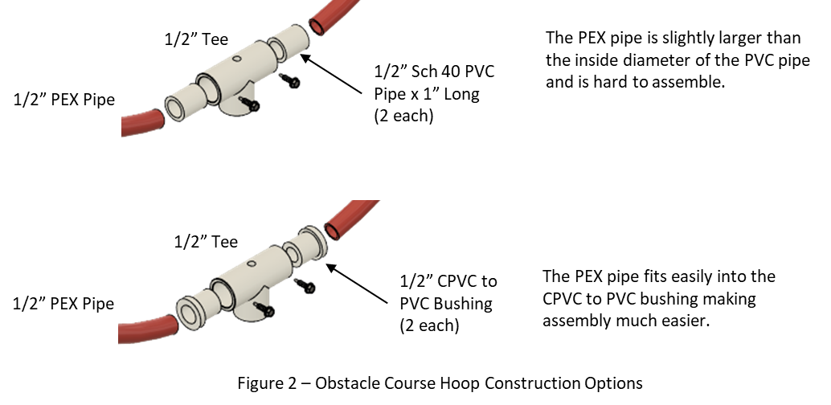
1 | Each Obstacle Course - Requires 370" (Three 10' lengths + 10") of 1/2" pipe if using 1" long pipe as PEX connectors Requires 360" (Three 10' lengths) if using 1/2" CPVC to PVC Bushing for PEX connectors See Figure 2
2 | Task Frame - corrugated sheet and cable ties are optional if course is configured for pool floor.
3 | PEX pipe is available in 10' straight lengths and 100' coils. A single obstacle course requires three 10' lengths.
4 | The Polypropylene Corrugated Sheet listed in the vendor section is a 48" x 96" sheet. Smaller sheets may be available in your area. Other materials may be substituted if this product is not available.
5 | The recoomended screws are the ones listed from McMaster Carr. They are however 440 stainless steel which is less corrosive resistant then 18-8 stainless steel. Can substitute for 1/2" long. Can substitute for Zinc Plated, but corrosion resistance is decreased.
6 | Check local plumbing supply stores for reduced prices.
7 | The sling tees available from PVC Fittings Online are too tight and do not swivel easily.
8 | Check pool supply or discount stores. Look for closed cell foam pool noodles. Other diameters may be used, but you will need to adjust sizes to achieve desired buoyancy.
9 | These are only available in bulk and may not be available locally. Other sizes can be substituted and two 8" cable ties can be conncted together to form the loop.
10 | Other sizes or even other objects for weight may be substituteed. Local hardware stores may be a better source.

